Instance and Service Acc Creds
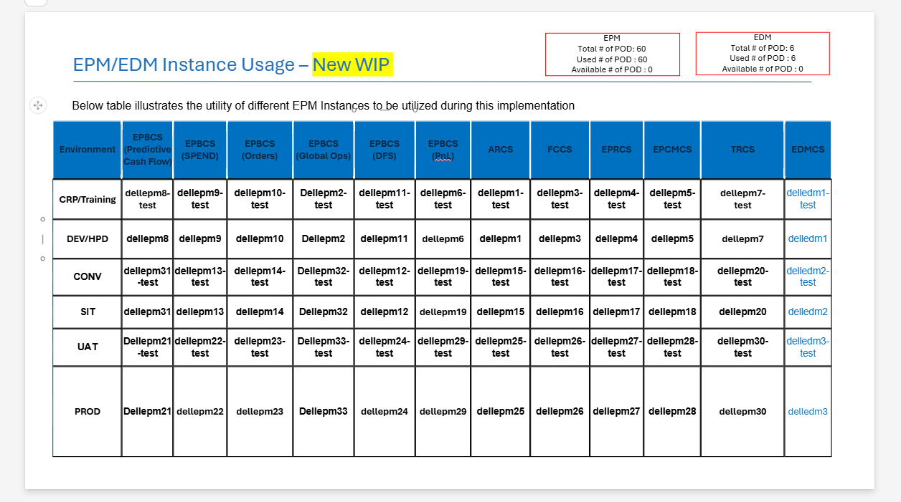
ERP |  |  | EPM
Instance | Service Acc User Name | Password | Instance | Service Acc User Name | Password
Dev1 | DELL_EPM_Integration_User_SVC | Welcome@1 | CRP/Training | DELL_EPM_Training_SVC | PA3sw0rdL!keThiz124765qon
Dev2 | DELL_EPM_Integration_User_SVC | LZQ84713vW_u | DEV/HPD | DELL_EPM_DEV_SVC | DEVwpazs70rby1m89$23c4tq
Dev3 | DELL_EPM_Integration_User_SVC | 9'@XjV?7,2rt | CONV | DELL_EPM_CONV_SVC | h!t3WyJ0Bli4eU2oPa5sm6Rdz
Dev4 | DELL_EPM_Integration_User_SVC | 1g(GawpKXy1@Hyq4Nl3# | SIT | DELL_EPM_SIT_SVC | Z!tSi4PA3kw0rd28765qon1$e
Dev5 | DELL_EPM_Integration_User_SVC | D;~_peMW[L5#n;]iN5`Fl7@h

OCI
iawmqy-dev2/DELL_EPM_OCI_SVC | Z7{<q6hxneW[gk4.M);y

Instances

